Insights
Model Insights

 |  |  | Students participating in extracurricular activities have a slightly higher pass rate (50.1%) compared to non-participants (49.6%), indicating a negligible impact of extracurricular involvement on academic performance.

 |  |  | All key variables (study hours, attendance, and previous grades) show near-zero correlation with pass outcomes, suggesting that none of these factors independently explain student performance in a meaningful way.

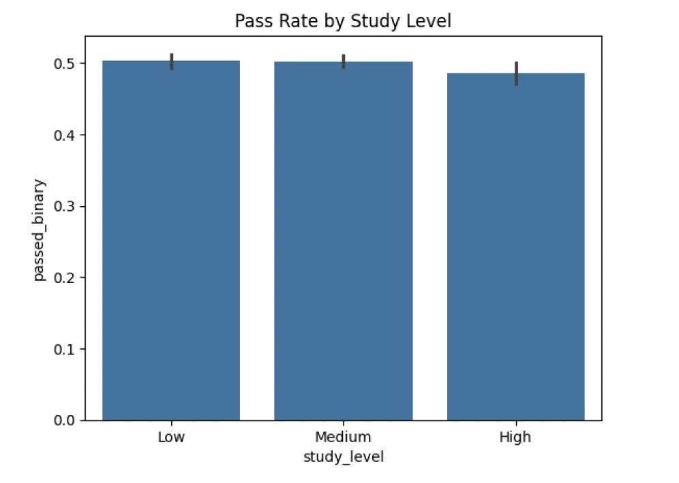
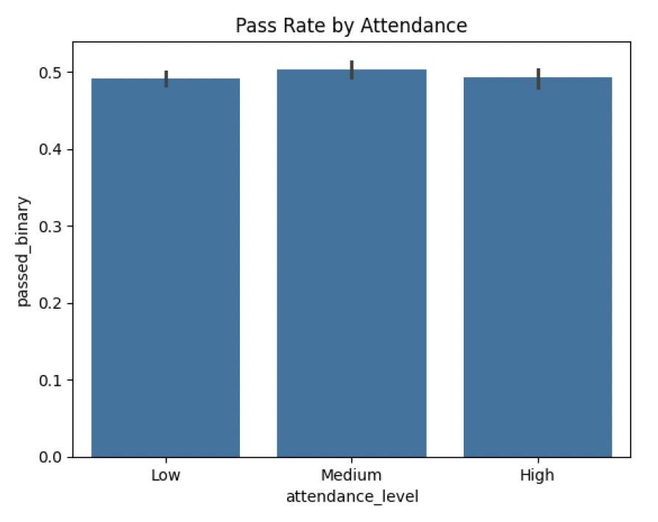
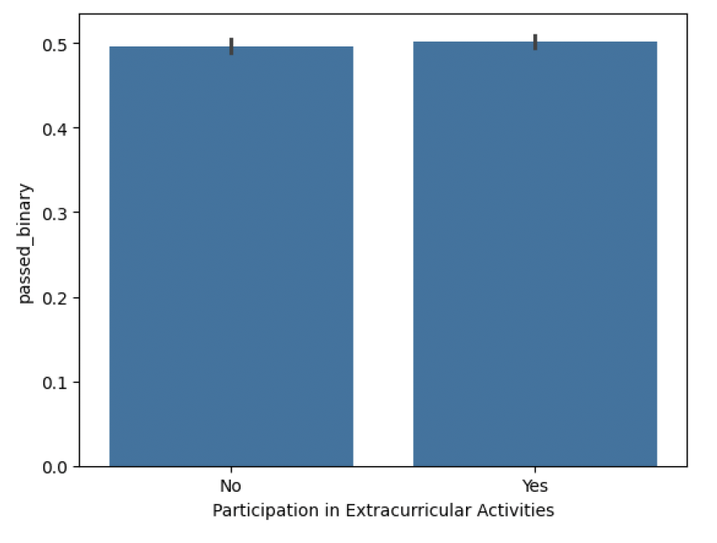

 | Pass rates remain nearly constant (~50%) across low, medium, and high study levels, indicating that increasing study hours does not significantly improve academic outcomes. | Attendance shows only a marginal impact on performance, with pass rates remaining similar across all attendance levels, suggesting limited influence on final outcomes. |  | Participation in extracurricular activities has negligible effect on pass rates, with both groups performing similarly (~50%), indicating it is not a key determinant of academic success.

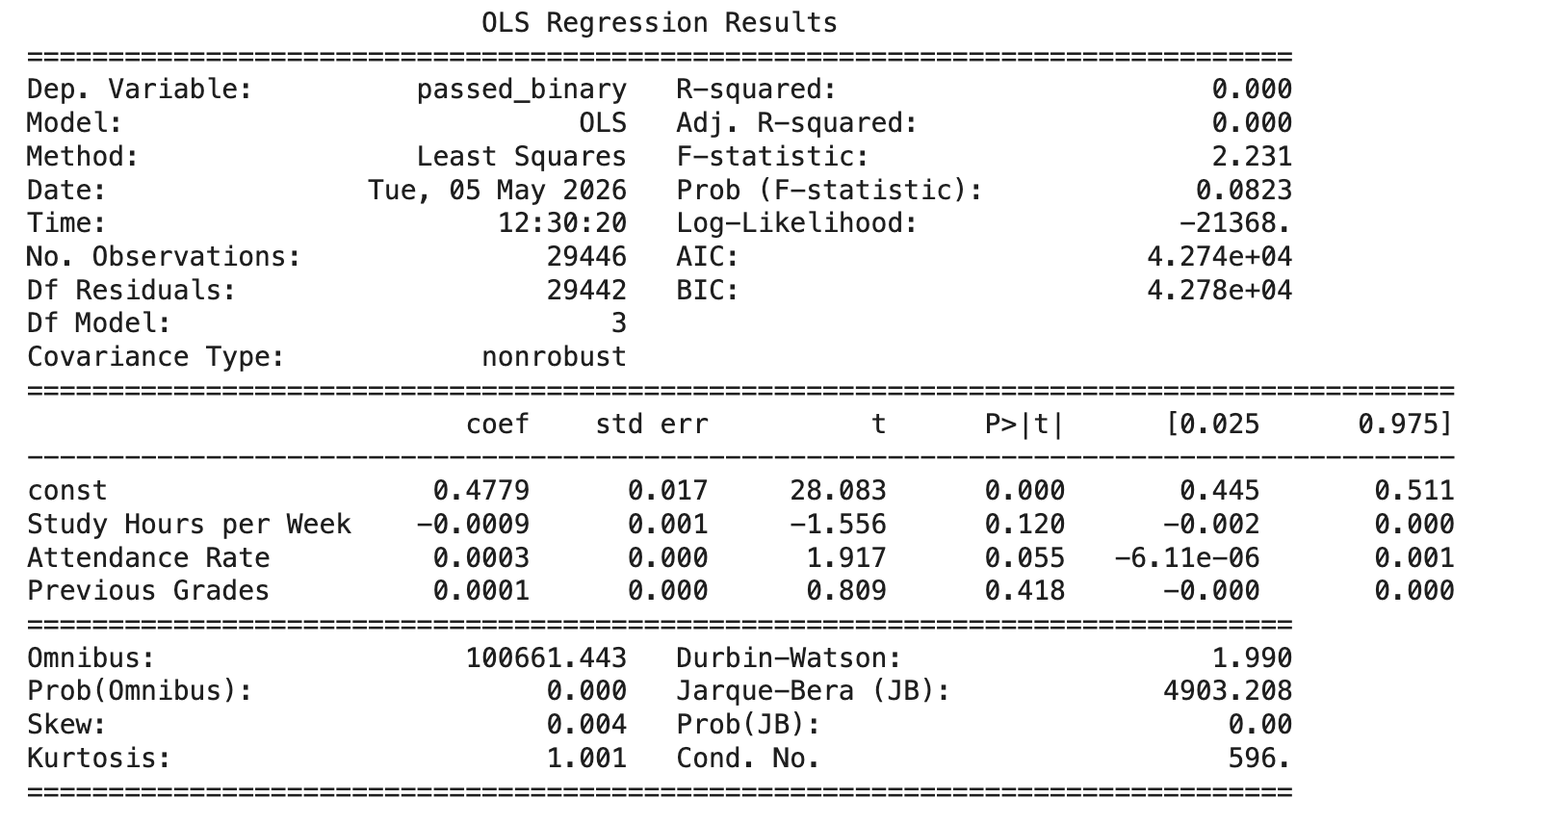
 |  |  | The regression model shows no significant predictive power (R² ≈ 0), indicating that study hours, attendance, and previous grades do not meaningfully explain student performance in this dataset.

 |  |  | The regression analysis confirms that traditional academic indicators such as study hours, attendance, and previous grades are not sufficient predictors of student success, highlighting the need for deeper behavioral and contextual factors.

